Sheet1
DATE | INV NO. | DESCRIPTIONS | QTY | BILLS | PRICE | SUBTOTAL | TOTAL | STATUS
4-Dec-2025 | 2512/FK-0494 | TOP SIDE CAP OFF AA6-7 | 23.74 | 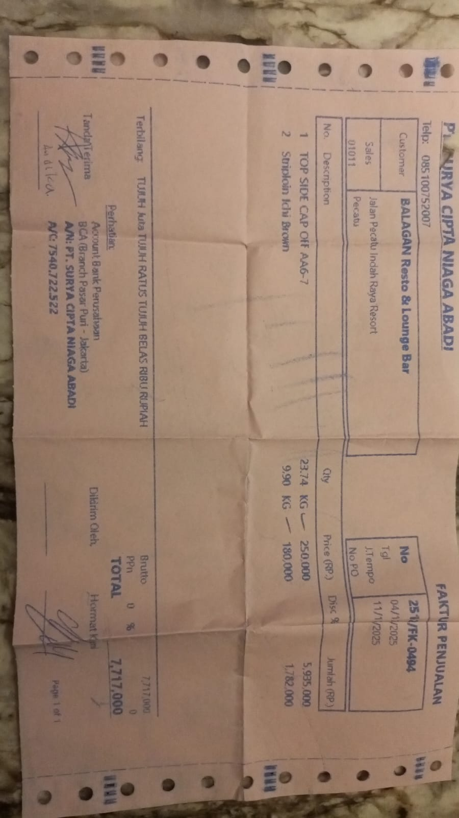 | Rp250,000 | Rp5,935,000 | Rp7,717,000 | 2025-11-11
 |  | STRIPLOIN ICHI BROWN | 9.9 |  | Rp180,000 | Rp1,782,000
 |  |  |  |  |  | Rp- | Rp-
 |  |  |  |  |  | Rp-
 |  |  |  |  |  | Rp- | Rp-

 |  |  |  |  |  | Rp- | Rp-
TOTAL |  |  |  |  |  | Rp7,717,000

